Page Layout
Project Name |  |  |  | Wow tasty |  | User Type |  |  |  |  | User |  |  |  | Writer | Hak Choi
Phase |  |  |  | Requirements programing design |  | Page Name |  |  |  |  | Order Confirm |  |  |  | Date | 11/22/2012

 | 1. Page layout

 |  | 1 ) Layout
 |  | - Initial layout
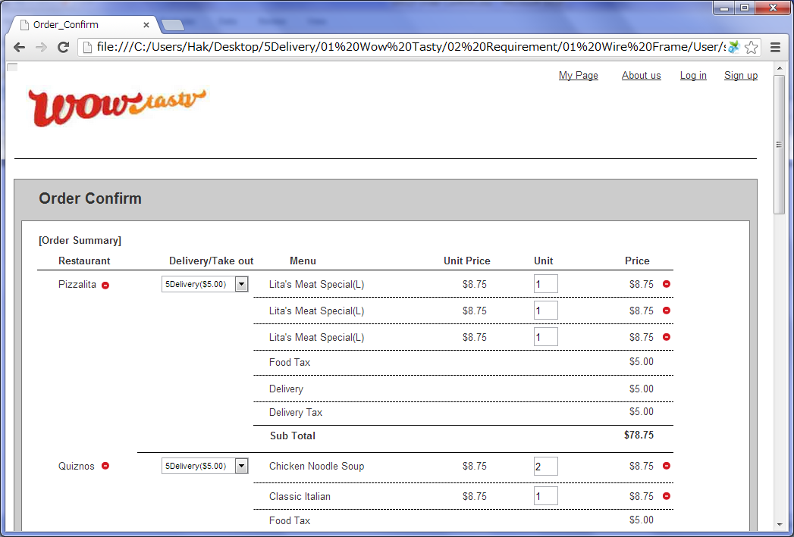

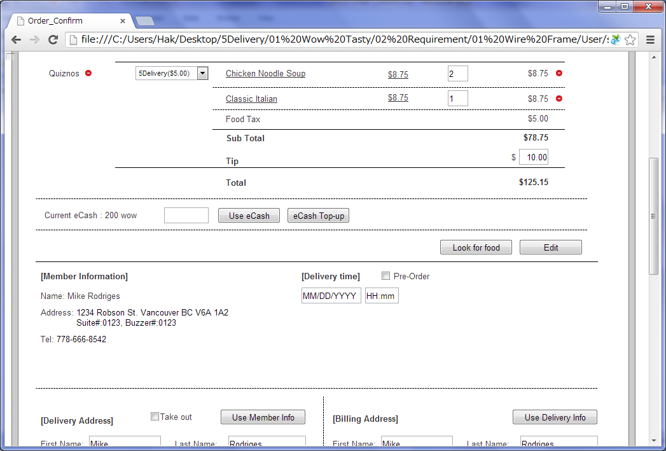

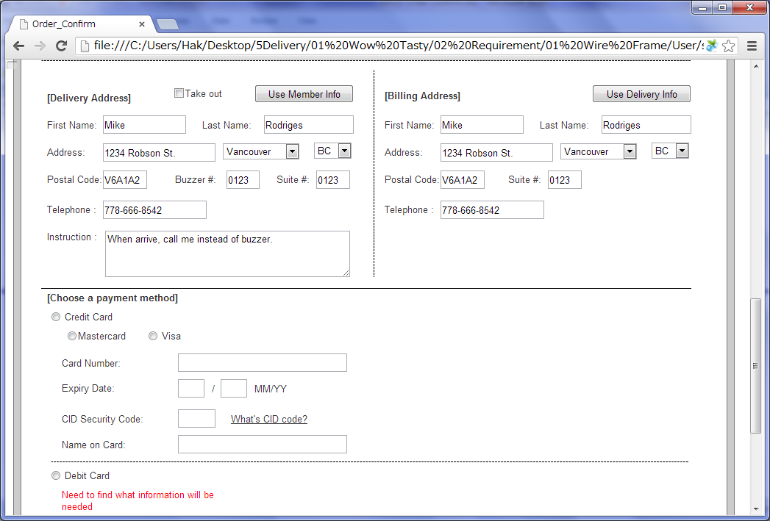

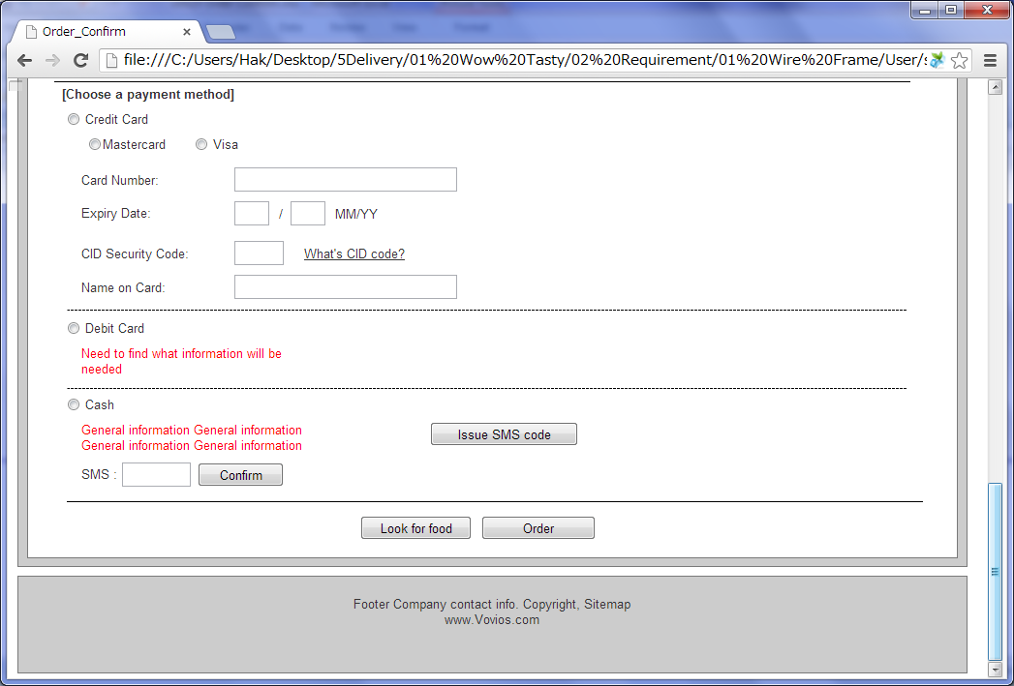

 |  | - Menu Detail layer
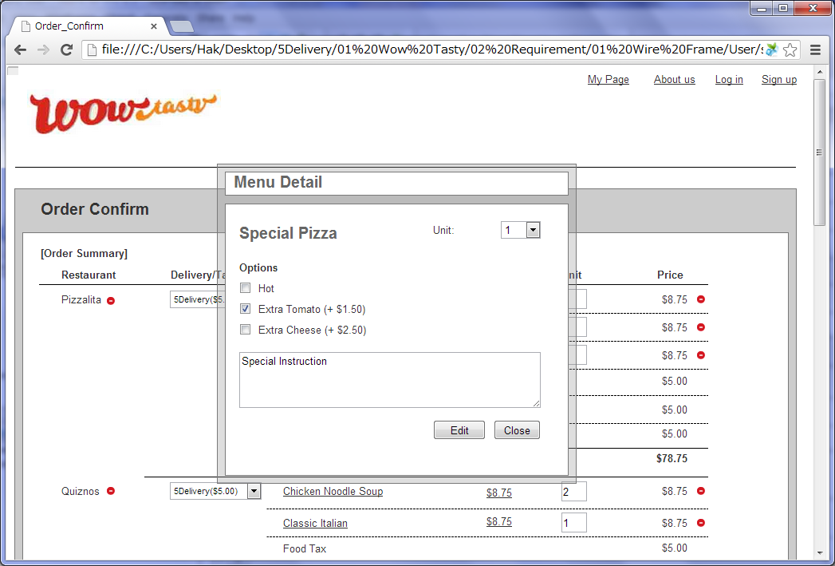

 |  | - eCash Topup layer
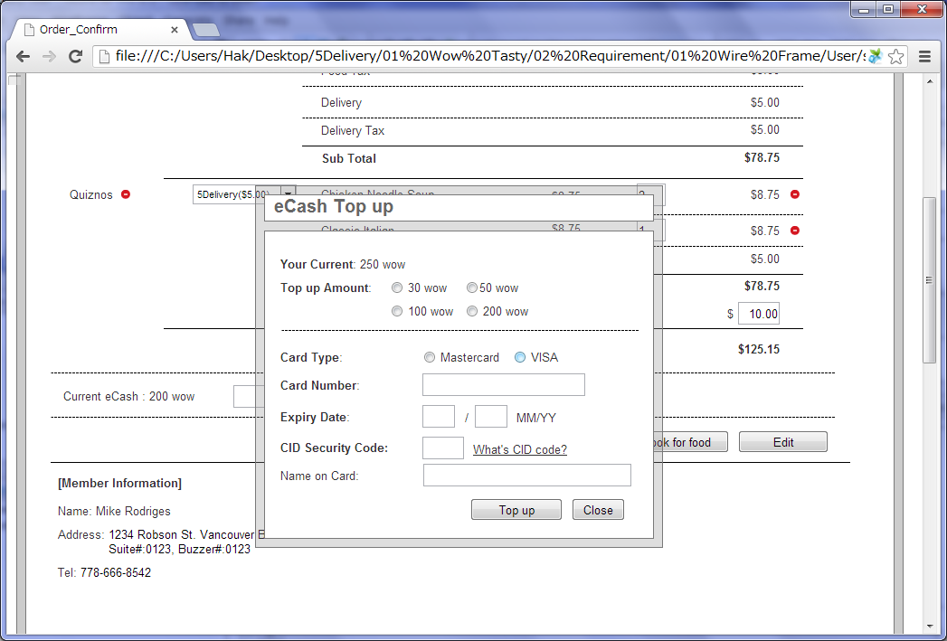

 |  | - NonMember layout
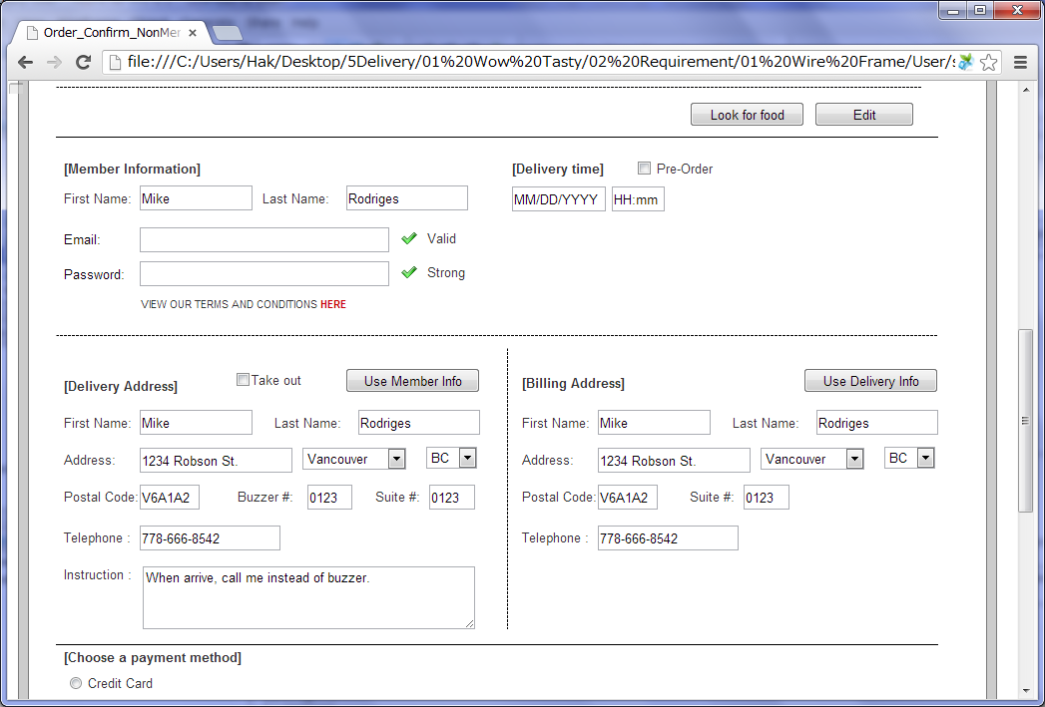

 |  | - Menu is not available
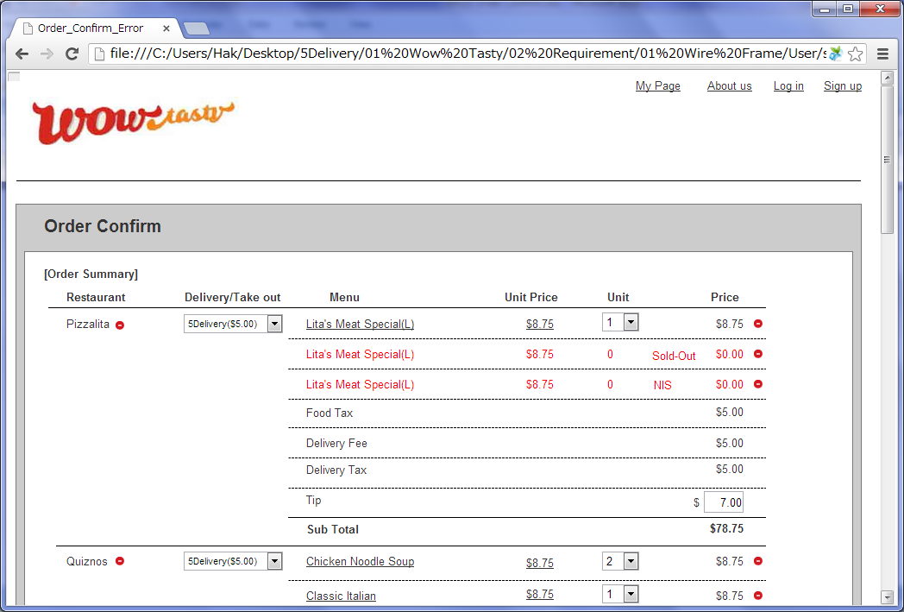

 |  | 2) Field list

 |  | No. | Name |  | Controller |  | Len | Align |  | Default |  | Note
 |  | Order Summary
 |  | 1 | Restaurant Name |  | Label
 |  | 2 | Restaurant Delete Icon |  | Link
 |  | 3 | Delivery/Take out |  | Drop Down |  |  |  |  |  |  | Delivery company list and "Take out"
 |  | 4 | Menu Name |  | Link
 |  | 5 | Unit Price(without Tax) |  | Link
 |  | 6 | Unit |  | Drop Down |  |  |  |  |  |  | 1~50
 |  | 7 | Invalid Reason |  | Label |  |  |  |  |  |  | Only if the menu is not available
 |  | 8 | Price(without Tax) |  | Link
 |  | 9 | Menu Delete Icon |  | Link
 |  | 10 | Food Tax |  | Label
 |  | 11 | Delivery Fee |  | Label |  |  |  |  |  |  | Only if delivery company chosen
 |  | 12 | Delivery Tax |  | Label |  |  |  |  |  |  | Only if delivery company chosen
 |  | 13 | Tip |  | Textfield |  |  |  |  | 10 % of (Food Total + Delivery Fee) without Tax
 |  | 14 | Sub Total |  | Label
 |  | 15 | Total |  | Label
 |  | 16 | Current eCash |  | Label |  |  |  |  |  |  | 9,999Wow
 |  | 17 | eCash amount |  | Textfield |  | 4 |  |  | 0
 |  | 18 | Use eCash |  | Button
 |  | 19 | eCash Top-up |  | Button
 |  | 20 | Look for food |  | Button
 |  | 21 | Edit |  | Button
 |  | Member Information(For members)
 |  | 22 | Name |  | Label |  |  |  |  |  |  | First Name, Last Name
 |  | 23 | Address |  | Label |  |  |  |  |  |  | Address, City, Province, Postal Code, Suite Number
 |  | 24 | Tel |  | Label
 |  | Member Information(For non-members)
 |  | 25 | Login |  | Button
 |  | 26 | First Name(Non-Member) |  | Textfield |  | 50 | Left |  | Blank |  | Trim
 |  | 27 | Last Name(Non-Member) |  | Textfield |  | 50 | Left |  | Blank |  | Trim
 |  | 28 | E-mail(Non-Member) |  | Textfield |  | 256 | Left |  | Blank |  | While inputing, check if the email exists
 |  | 29 | Password(Non-Member) |  | Password |  | 20 | Left |  | Blank |  | While inputing, check the password is qualified
 |  | 30 | Terms and conditions |  | Link
 |  | Delivery Time
 |  | 31 | Pre-Order |  | Check box |  |  |  |  | Unchecked |  | If checked, enable the delivery time textfields
 |  | 32 | Date |  | Textfield |  | 10 | Center |  | Disable |  | MM/DD/YYYY
 |  | 33 | Time |  | Textfield |  | 5 | Center |  | Disable |  | HH:mm
 |  | Delivery Address
 |  | 34 | Take out |  | Check box |  |  |  |  | Unchecked |  | If checked, clear and disable the delivery address text fields
 |  | 35 | Copy Member Info |  | Button
 |  | 36 | First Name(Delivery) |  | Textfield |  | 50 | Left |  | Blank |  | Trim
 |  | 37 | Last Name(Delivery) |  | Textfield |  | 50 | Left |  | Blank |  | Trim
 |  | 38 | Address(Delivery) |  | Textfield |  | 100 | Left |  | Blank |  | Trim
 |  | 39 | City(Delivery) |  | Drop down |  | - | - |  | Vancouver |  | City list.
 |  | 40 | Province(Delivery) |  | Drop down |  | - | - |  | BC |  | Province list.
 |  | 41 | Postal Code(Delivery) |  | Textfield |  | 7 | Left |  | Blank |  | Trim
 |  | 42 | Suite Number(Delivery) |  | Textfield |  | 10 | Left |  | Blank |  | Trim
 |  | 43 | Buzzer Number(Delivery) |  | Textfield |  | 10 | Left |  | Blank |  | Trim
 |  | 44 | Telephone(Delivery) |  | Textfield |  | 20 | Left |  | Blank |  | Trim
 |  | 45 | Instruction |  | Textarea |  | 100 | Left |  | Blank |  | Trim
 |  | Billing Address
 |  | 46 | Copy Member Info |  | Button
 |  | 47 | Copy Delivery Info |  | Button
 |  | 48 | First Name(Billing) |  | Textfield |  | 50 | Left |  | Blank |  | Trim
 |  | 49 | Last Name(Billing) |  | Textfield |  | 50 | Left |  | Blank |  | Trim
 |  | 50 | Address(Billing) |  | Textfield |  | 100 | Left |  | Blank |  | Trim
 |  | 51 | City(Billing) |  | Drop down |  | - | - |  | Vancouver |  | City list.
 |  | 52 | Province(Billing) |  | Drop down |  | - | - |  | BC |  | Province list.
 |  | 53 | Postal Code(Billing) |  | Textfield |  | 7 | Left |  | Blank |  | Trim
 |  | 54 | Suite Number(Billing) |  | Textfield |  | 10 | Left |  | Blank |  | Trim
 |  | 55 | Telephone(Billing) |  | Textfield |  | 20 | Left |  | Blank |  | Trim
 |  | Payment
 |  | 56 | Payment Type |  | Radio button |  |  |  |  | Credit Card |  | Credit Card/Debit Card/Cash. If clicked, show each layer selected.
 |  | Credit Card Layer
 |  | 57 | Credit Card Type |  | Radio button |  |  |  |  | Master Card |  | Master Card/VISA
 |  | 58 | Card Number |  | Textfield |  | 16 | Left |  | Blank
 |  | 59 | Expiry Date(MM) |  | Drop Down |  | 2 | Left |  | 01 |  | 01~12
 |  | 60 | Expiry Date(YY) |  | Drop Down |  | 2 | Left |  | Current Year |  | Current Year's last 2 digit~ 10 later Year's last 2 digit
 |  | 61 | CID Security Code |  | Textfield |  | 4 | Left |  | Blank
 |  | 62 | What's CID code? |  | Link
 |  | 63 | Name on Card |  | Textfield |  | 100 | Left |  | Blank
 |  | Debit Card Layer
 |  | 64 | Card Number |  | Textfield |  | 16 | Left |  | Blank
 |  | Cash Layer
 |  | 65 | Issue SMS code |  | Button
 |  | 66 | SMS code |  | Textfield |  | 4 | Left |  | Blank
 |  | 67 | Confirm |  | Button
 |  | 68 | SMS checked |  | Hidden |  |  |  |  | Blank |  | verified SMS code
 |  | Bottom Button
 |  | 69 | Look for food |  | Button
 |  | 70 | Order |  | Button
 |  | Menu Detail Layer
 |  | 71 | Menu Name |  | Label
 |  | 72 | Unit |  | Drop Down |  |  |  |  |  | 1 | 1~20
 |  | 73 | Option |  | Check box |  |  |  |  | Unchecked |  | Only if a menu has options, show this.
 |  | 74 | Special Instruction |  | Textarea |  |  |  |  | Blank
 |  | 75 | Edit |  | Button
 |  | 76 | Close(Menu Detail) |  | Button
 |  | eCash Top-up Layer
 |  | 77 | Current eCash(Top-up) |  | Label |  |  |  |  |  | 0 | 9,999Wow
 |  | 78 | Top-up amount(Top-up) |  | Radio button |  |  |  |  | 30Wow |  | 30/50/100/200
 |  | 79 | Card Type(Top-up) |  | Radio button |  |  |  |  | Mastercard |  | Mastercard, Visa
 |  | 80 | Card Number(Top-up) |  | Textfield |  | 16 | Left |  | Blank |  | Trim
 |  | 81 | Expiry Date(MM)(Top-up) |  | Drop Down |  | 2 | Left |  | 01 |  | 01~12
 |  | 82 | Expiry Date(YY)(Top-up) |  | Drop Down |  | 2 | Left |  | Current Year |  | Current Year's last 2 digit~ 10 later Year's last 2 digit
 |  | 83 | CID Security Code(Top-up) |  | Textfield |  | 4 | Left |  | Blank |  | Trim
 |  | 84 | Name on Card(Top-up) |  | Textfield |  | 100 | Left |  | Blank |  | Trim
 |  | 85 | Top-up |  | Button
 |  | 86 | Close(Top-up) |  | Button
 |  | Login Layer
 |  | 87 | Email Address |  | Textfield |  | 256 |  |  | Blank
 |  | 88 | Password |  | Textfield |  | 20 |  |  | Blank
 |  | 89 | Login(Login) |  | Button
 |  | 90 | Close(Login) |  | Button

 |  | 3) Validation list

 |  | - Unit validation
 |  | No. | Name |  | Required | Type |  |  | Other |  |  |  |  | Error Message
 |  | 1 | First Name(Delivery) |  | Yes | - |  |  |  |  |  |  |  | E0001
 |  | 2 | Last Name(Delivery) |  | Yes | - |  |  |  |  |  |  |  | E0001
 |  | 3 | Address(Delivery) |  | Yes | - |  |  |  |  |  |  |  | E0001
 |  | 4 | Postal Code(Delivery) |  | Yes | Num&Eng |  |  | a-z,A-Z,0-9,space |  |  |  |  | E0001, E0003
 |  | 5 | Suite Number(Delivery) |  | Yes | Num&Eng |  |  | a-z,A-Z,0-9,space |  |  |  |  | E0001, E0003
 |  | 6 | Buzzer Number(Delivery) |  | Yes | Num&Eng |  |  | a-z,A-Z,0-9,space |  |  |  |  | E0001, E0003
 |  | 7 | Telephone(Delivery) |  | Yes | Telephone |  |  | 0-9,space,- |  |  |  |  | E0001, E0003
 |  | 8 | Instruction |  | Yes | - |  |  | Max 100 |  |  |  |  | E0006
 |  | 9 | First Name(Billing) |  | Yes | - |  |  |  |  |  |  |  | E0001
 |  | 10 | Last Name(Billing) |  | Yes | - |  |  |  |  |  |  |  | E0001
 |  | 11 | Address(Billing) |  | Yes | - |  |  |  |  |  |  |  | E0001
 |  | 12 | Postal Code(Billing) |  | Yes | Num&Eng |  |  | a-z,A-Z,0-9,space |  |  |  |  | E0001, E0003
 |  | 13 | Suite Number(Billing) |  | Yes | Num&Eng |  |  | a-z,A-Z,0-9,space |  |  |  |  | E0001, E0003
 |  | 14 | Telephone(Billing) |  | Yes | Telephone |  |  | 0-9,space,- |  |  |  |  | E0001, E0003

 |  | - Correlation validation
 |  | No. | Condition |  | Field |  |  |  |  |  | Required |  | Other | Error message
 |  | 1 | "Take out" is unchecked |  | First Name |  |  |  |  |  | Yes |  |  | E0001
 |  | 2 |  |  | Last Name |  |  |  |  |  | Yes |  |  | E0001
 |  | 3 |  |  | Address |  |  |  |  |  | Yes |  |  | E0001
 |  | 4 |  |  | City |  |  |  |  |  | Yes |  |  | E0001
 |  | 5 |  |  | Province |  |  |  |  |  | Yes |  |  | E0001
 |  | 6 |  |  | Postal Code |  |  |  |  |  | Yes |  | Num&Eng | E0001, E0003
 |  | 7 |  |  | Suite Number |  |  |  |  |  | Yes |  | Num&Eng | E0001, E0003
 |  | 8 |  |  | Buzzer Number |  |  |  |  |  | Yes |  | Num&Eng | E0001, E0003
 |  | 9 |  |  | Telephone |  |  |  |  |  | Yes |  | Telephone | E0001, E0003
 |  | 10 | Non-member |  | First Name(Non-Member) |  |  |  |  |  | Yes |  |  | E0001
 |  | 11 |  |  | Last Name(Non-Member) |  |  |  |  |  | Yes |  |  | E0001
 |  | 12 |  |  | E-mail(Non-Member) |  |  |  |  |  | Yes |  | Email, Email already exists | E0001, E0003, E0004
 |  | 13 |  |  | Password(Non-Member) |  |  |  |  |  | Yes |  | Password | E0001, E0003
 |  | 14 | "Pre-order" is checked |  | Date |  |  |  |  |  | Yes |  | Date | E0003
 |  | 15 |  |  | Time |  |  |  |  |  | Yes |  | Time | E0003
 |  | 16 | Payment Type - credit card |  | Card Number |  |  |  |  |  | Yes |  |  | E0001
 |  | 17 |  |  | CID Security Code |  |  |  |  |  | Yes |  | Num | E0001, E0003
 |  | 18 |  |  | Name on Card |  |  |  |  |  | Yes |  |  | E0001
 |  | 19 | Payment Type - debit card |  | Card Number |  |  |  |  |  | Yes |  |  | E0001
 |  | 20 | Payment Type - cash |  | SMS checked |  |  |  |  |  | Yes |  | SMS checked is not blank | E0001
 |  | 21 | "Confirm" button is clicked |  | SMS code |  |  |  |  |  | Yes |  |  | E0001
 |  | 22 | eCash Top-up Layer-"Top up"button |  | Card Number(Top-up) |  |  |  |  |  | Yes |  |  | E0001
 |  | 23 |  |  | CID Security Code(Top-up) |  |  |  |  |  | Yes |  | Num | E0001, E0003
 |  | 24 |  |  | Name on Card(Top-up) |  |  |  |  |  | Yes |  |  | E0001
 |  | 25 | Login Layer-"Login"button |  | Email Address |  |  |  |  |  | Yes |  | Email | E0001, E0003
 |  | 26 |  |  | Password |  |  |  |  |  | Yes |  | Password | E0001, E0003

Page Transition
Project Name |  |  |  |  | Wow tasty |  |  | User Type |  | User |  |  |  | Writer |  | Hak Choi
Phase |  |  |  |  | Requirements programing design |  |  | Page Name |  | Order Confirm |  |  |  | Date |  | 11/22/2012

 | 2. Page Transition

 |  | 1) Event List

 |  | No. | Name |  |  |  | Event |  | Condition |  |  | Destination page
 |  | 1 | Restaurant Delete Icon |  |  |  | Click |  |  |  |  | [Order Confirm] page
 |  | 2 | Menu detail link |  |  |  | Click |  |  |  |  | [Menu Detail] layer
 |  | 3 | Menu Delete Icon |  |  |  | Click |  |  |  |  | [Order Confirm] page
 |  | 4 | Look for food |  |  |  | Click |  |  |  |  | [Search Restaurant] page
 |  | 5 | Edit |  |  |  | Click |  |  |  |  | [Order Confirm] page
 |  | 6 | Use eCash |  |  |  | Click |  |  |  |  | [Order Confirm] page
 |  | 7 | eCash Top up |  |  |  | Click |  |  |  |  | [eCash Top up] layer
 |  | 8 | Login |  |  |  | Click |  |  |  |  | [Login] layer
 |  | 9 | Copy Member Info |  |  |  | Click |  |  |  |  | [Order Confirm] page
 |  | 10 | Copy Delivery Info |  |  |  | Click |  |  |  |  | [Order Confirm] page
 |  | 11 | Issue SMS code |  |  |  | Click |  |  |  |  | [Order Confirm] page
 |  | 12 | Confirm |  |  |  | Click |  | Validation OK |  |  | [Order Confirm] page
 |  | 13 |  |  |  |  |  |  | Validation Error |  |  | [Order Confirm] page
 |  | 14 | Order |  |  |  | Click |  | Validation OK |  |  | [Order Completed] page
 |  | 15 |  |  |  |  |  |  | Validation Error |  |  | [Order Confirm] page
 |  | 16 |  |  |  |  |  |  | Restaurant or Menu invalid |  |  | [Order Confirm] page
 |  | 17 | Edit(Menu Detail) |  |  |  | Click |  |  |  |  | Hide [Menu Detail] layer
 |  | 18 | Top-up |  |  |  | Click |  | Validation OK |  |  | Hide [eCash Top up] layer
 |  | 19 |  |  |  |  |  |  | Validation Error |  |  | [eCash Top up] layer
 |  | 20 | Login(Login) |  |  |  | Click |  | Validation OK |  |  | Hide [Login] layer
 |  | 21 |  |  |  |  |  |  | Validation Error |  |  | [Login] layer

 |  | 2) Page Transition |  |  |  |  |  |  |  |  |  |  |  |  | page |  | layer

1,3,5,6,9,10,11,12,13,15,16

4
14
 |  |  |  | Search Restaurant |  |  |  | Order Confirm |  |  |  |  | Order Complete

2
7
18
8
17
20

 |  |  |  |  |  | Menu Detail |  | eCash Top up |  |  | Login

19
21

